About
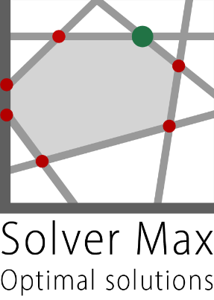
About

Purpose
This workbook contains an example optimization model and associated analysis. The purpose is to illustrate the design and use of optimization models in Microsoft Excel, using the Solver and/or OpenSolver add-ins.
This workbook should be read in conjunction with the articles at https://www.solvermax.com
Sheets
This workbook contains the following sheets:
'About': This sheet, used to describe the workbook.
'Model n': One or more optimization model worksheets.
Disclaimer
This workbook is presented on an as is basis for illustrative purposes only and should not be relied upon for making financial, legal or any other commitments. Solver Max will accept no responsibility or liability for any errors or omissions.
For further terms and conditions, see https://www.solvermax.com/terms-and-conditions
Copyright
This workbook is © Copyright 2023 Solver Max.
Solver Max retains copyright of this workbook. Extended by Russel Webber 2024 to demonstrate xlSlim functionallty

 | www.solvermax.com

 | Key
 | Data

 | Version
 | v 1.1
 | 2024-10-25

Model 1
Production Mix model, Python within Excel
Initialise Python & Register function
Python Env | C:\Users\russe\anaconda3\envs\py312\python.exe |  |  |  |  | <-Be sure to point to a Python environment that has scipy installed
Module | D:\github\xlslim-code-samples\optimization\prod_mix_model.py
Register | Registered D:\github\xlslim-code-samples\optimization\prod_mix_model.py

Data |  |  |  | Model

Option | Value
Engine | HiGHS
TimeLimit | 60 |  |  | Model | [Production-Mix-in-Python using xlSlim.xlsx]Model 1$H$11/B1FF9145@1
 |  |  |  | Success | TRUE

This model uses the Python SciPy library to solve a simple linear program.
The model uses the xlSlim addin to access Python, see https://www.xlslim.com.
Objective | Discs | Orbs |  | Results |  |  | Description
Margin | -80.00 | -200.00
 |  |  |  | Objective | 3,076.92
Constraint | Discs | Orbs | rhs
People | 12.50 | 10.00 | 250.00 |  | Discs | Orbs
Materials | 18.00 | 30.00 | 500.00 | Production | 6.4103 | 12.8205
Sales | -2.00 | 1.00 | -
 |  |  |  |  | Slack | Dual
Product | LB | UB |  | People | 41.6667 | -
Discs | - | 100.00 |  | Materials | - | -6.1538
Orbs | - | 100.00 |  | Sales | - | -15.3846

